DASHBOARD
FIRM WISE
 | Total
JK Enterprise | 410376.47
SR Hardware | 459587.39
MONTH WISE
 | Total
Apr | 21004
May | 229752.44
Jun | 389805.09
Jul | 229402.33
PRODUCT WISE
 | Total
Plywood 4mm | 427057.24
Plywood 6mm | 442906.62

TAX WISE
 | Sum of IGST | Sum of CGST | Sum of SGST | Count of CESS | Sum of TOTAL
0.00% | 0 | 0 | 0 |  | 84740
0.10% | 0 | 46.83 | 46.83 |  | 93753.66
3.00% | 1505.25 | 1087.125 | 1087.125 |  | 126329.5
5.00% | 1393.75 | 2871.125 | 2871.125 |  | 149856
12.00% | 0 | 7559.4 | 7559.4 |  | 141108.8
18.00% | 8429.4 | 3307.95 | 3307.95 |  | 98630.3
28.00% | 0 | 19200.3 | 19200.3 |  | 175545.6
STATE WISE
 | Total
INTERSTATE | 139553.4
Local | 730410.46

869963.86

month wise
Month Wise
Month Wise
Row Labels | Sum of TOTAL
Apr | 21004
May | 229752.44
Jun | 389805.09
Jul | 229402.33

Sate wise
Sate wise
Row Labels | Sum of INVOICE VALUE
INTERSTATE | 139553.4
Local | 730410.46
Grand Total | 869963.86

tax wise
Row Labels | Sum of IGST | Sum of CGST | Sum of SGST | Count of CESS
0.00% | 0 | 0 | 0
0.10% | 0 | 46.83 | 46.83
3.00% | 1505.25 | 1087.125 | 1087.125
5.00% | 1393.75 | 2871.125 | 2871.125
12.00% | 0 | 7559.4 | 7559.4
Tax wise
 | Sum of IGST | Sum of CGST | Sum of SGST | Count of CESS
0.00% | 0 | 0 | 0
0.10% | 0 | 46.83 | 46.83
3.00% | 1505.25 | 1087.125 | 1087.125
5.00% | 1393.75 | 2871.125 | 2871.125
12.00% | 0 | 7559.4 | 7559.4
18.00% | 8429.4 | 3307.95 | 3307.95
28.00% | 0 | 19200.3 | 19200.3
18.00% | 8429.4 | 3307.95 | 3307.95
28.00% | 0 | 19200.3 | 19200.3
Grand Total | 11328.4 | 34072.73 | 34072.73

product wise
product wise
Row Labels | Sum of TOTAL
Plywood 4mm | 221590.64
Plywood 6mm | 237996.75
Grand Total | 459587.39

firm Wise
Firm Wise
Row Labels | Sum of TOTAL
JK Enterprise | 410376.47
SR Hardware | 459587.39

G
Good Data
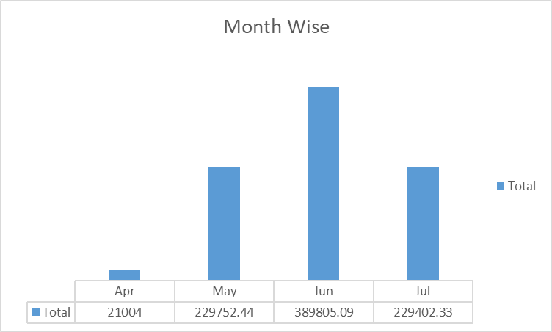
product wise
 | Total
Plywood 4mm | 221590.64
Plywood 6mm | 237996.75
Firm Wise
 | Total
JK Enterprise | 410376.47
SR Hardware | 459587.39

Tax wise
 | Sum of IGST | Sum of CGST | Sum of SGST | Count of CESS
0.00% | 0 | 0 | 0
0.10% | 0 | 46.83 | 46.83
3.00% | 1505.25 | 1087.125 | 1087.125
5.00% | 1393.75 | 2871.125 | 2871.125
12.00% | 0 | 7559.4 | 7559.4
18.00% | 8429.4 | 3307.95 | 3307.95
28.00% | 0 | 19200.3 | 19200.3
Sate wise
 | Total
INTERSTATE | 139553.4
Local | 730410.46

